Q2
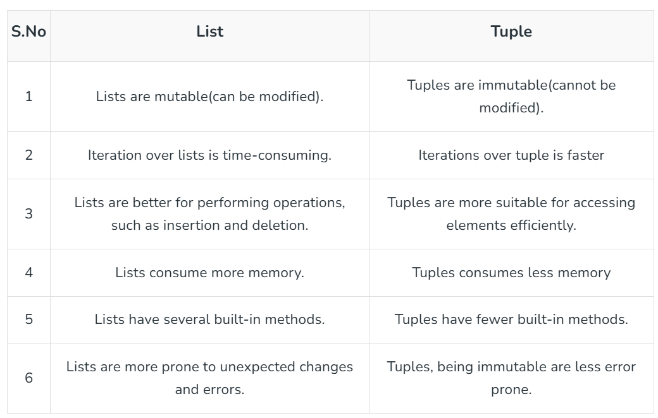
In Python, lists and tuples both store collections of data, but differ in mutability, performance and memory usage. Lists are mutable, .
allowing modifications, while tuples are immutable. Choosing between them depends on whether you need to
modify the data or prioritize performance and memory efficiency

Q5
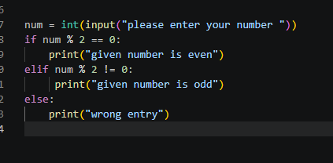
Question 5 : Write a Python program to check whether a number is even or odd using conditional statements.

Q7

Question 7 : Create a list of five numbers and print the maximum number from the list.

Q8
Question 8 : Write a Python program to remove duplicate values from a list using a set

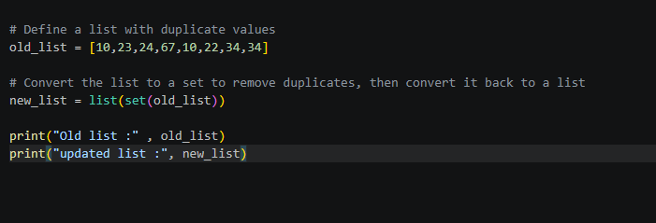

set(original_list):
Converts the list into a Python set. Because sets cannot contain duplicate items, Python automatically discards all repeated values.

list(...):
Converts the set back into a standard list format so you can continue using list methods if needed

Q9

Question 9 : Write a function that returns the square of a number

def square_number(number):
Defines a new function named square_number that accepts one argument.

number ** 2:
Uses the exponentiation operator (**) to raise the input number to the power of 2. You can also use number * number.

return:
Sends the final calculated value back to the place where the function was called.

Q10
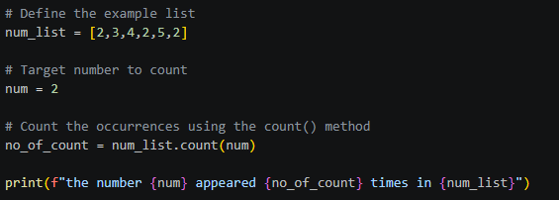
Question 10 : Write a Python program to count how many times a number appears in a list. Example List [2,3,4,2,5,2]

